3 VISUALS
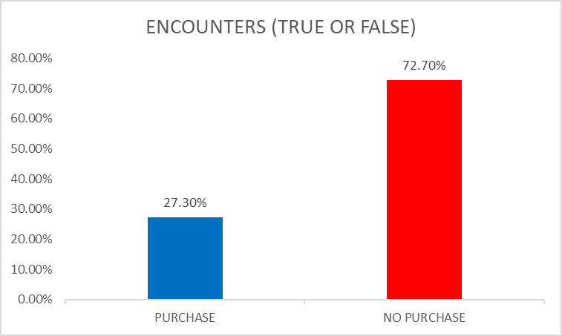
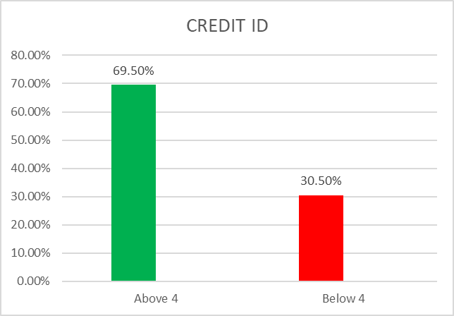
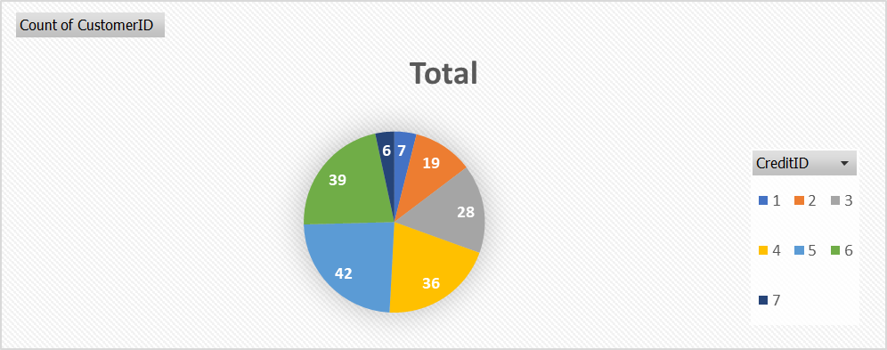
 |  | HOW MANY CUSTOMERS WITH A SPECIFIC CREDIT ID

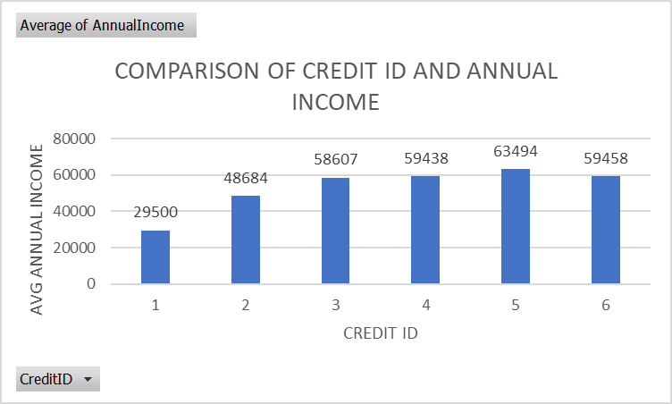

 | PROBLEM: RELATION OF CREDIT ID WITH ANNUAL INCOME
 | ANALYSIS: HIGHER CREDIT REATINGS HAVE SLIGHTLY HIGHER ANNUAL INCOME

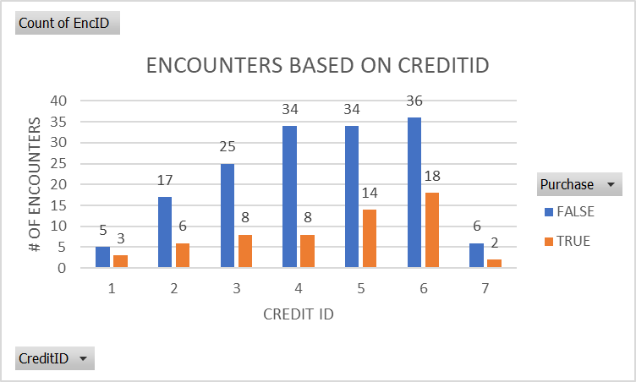

 | FALSE= NO PURCHASE
 | TRUE= PURCHASE
 | PROBLEM: RELATION OF PURCHASE WITH CREDIT ID
 | ANALYSIS: HIGHER CREDIT ID HIGHER PURCHASE

ENCOUNTERS (TRUE OR FALSE)

 | PROBLEM: WHY THERE ARE MORE FALSE PURCHASES?

PURCHASE | NO PURCHASE
27.30% | 72.70%

TRUE | FALSE

